Excel 1

TOP GROSSING MOVIES OF ALL TIME
Rank | Title |  | Studio in the US | Worldwide | Domistic |  | Overseas |  | Year |  | 0:00 Start 1:07 Starting up 1:27 Recent documents and pinning documents 1:54 Templates 2:34 Layout - Tabs, ribbons, and groups in Microsoft Excel 3:48 Rows, Columns, Cells and Ranges 5:49 Worksheets in Microsoft Excel 6:52 View and zooming 7:30 Inputting Data 10:56 Formatting Data 13:38 Wrapping Text 14:22 Insert Row/ Merge & Center cells 15:41 Currency formatting 16:20 Print view 17:02 Add cell borders and colors 18:18 Basic formulas in Microsoft Excel 21:17 Copy formula 23:45 Freeze Pane 24:52 Basic Microsoft Excel functions 28:59 “Tell Me” in Microsoft Excel 29:43 Inserting charts in Microsoft Excel
1 | Avatar | 2022-10-10 | FOX | $2,785.00 | $900.00 | 32.32% | $2,027.50 | 72.80% | 2009 | True
2 | Titanic | 2022-10-11 | PAR | $2,175.50 | $659.40 | 30.31% | $1,528.10 | 70.24% | 1997 | True
3 | Star wars:the fox | 2022-10-12 | BV | $2,068.20 | $936.70 | 45.29% | $1,131.60 | 54.71% | 2015 | True
4 | Jurassic World | 2022-10-13 | UNI | $1,671.70 | $652.30 | 39.02% | $1,019.40 | 60.98% | 2015 | True
5 | Marvels | 2022-10-14 | BV | $1,518.80 | $623.40 | 41.05% | $895.50 | 58.96% | 2012 | False
6 | Furious 7 | 2022-10-15 | WB | $1,516.80 | $353.00 | 23.27% | $1,163.00 | 76.67% | 2015 | True
7 | Avengers:age of | 2022-10-16 | WB | $1,405.40 | $459.00 | 32.66% | $946.40 | 67.34% | 2015 | False
8 | Harry poter | 2022-10-17 | BV | $1,341.50 | $381.00 | 28.40% | $960.50 | 71.60% | 2011 | False
9 | Star wars:the la | 2022-10-18 | WB | $1,331.90 | $619.70 | 46.53% | $712.20 | 53.47% | 2017 | False
10 | Frozen | 2022-10-19 | BV | $1,276.50 | $400.70 | 31.39% | $875.70 | 68.60% | 2013 | False

 |  |  |  |  |  |  |  |  | 72.72%
 |  |  |  | Max | $936.70 |  | $11,259.90 |  | 70.24%
 | anthony is the best |  |  | Min | $353.00 |  |  |  | 54.71%
 | deisy te amo, you are the best thing |  |  |  |  |  |  |  | 60.98%
 | Anthony is my love because he is my boy |  | Wilson is my cousin forever |  |  |  |  |  | 58.96%
 | China you are my mother |  | Total | $17,091.30 | $5,985.20 |  | $11,259.90 |  | 76.67%
 |  |  | Avarage | $1,709.13 | $598.52 |  | $1,125.99 |  | 67.34%
 |  |  |  |  |  |  |  |  | 71.60%
 |  |  |  | Anthony you are the best in the world |  |  |  |  | 53.47%
 |  |  |  |  |  |  |  |  | 68.60%

Excel 2
 |  |  |  |  |  |  |  |  | Hlookp | Pivettable |  |  |  |  |  |  | vegetables
 |  |  |  |  |  |  |  |  |  |  |  |  |  |  |  |  | fruits
 |  |  |  |  |  |  | Drop down manu |  | Vlookup | Pivottable |  |  |  |  |  |  | Grains
Name | Title | Studio | Worldwide | Domestic | Overseas | grades | Subjet | favorite food | john |  |  |  |  |  |  |  | Seafood
John | Avatar | FOX | $2,789.70 | $760.50 | $2,029.20 | 10.00 |  |  | Avatar |  |  |  |  |  |  |  | Dairy Food |  |  | $34,090.91 | 0:00 Start 0:52 AutoFilling cells in Excel 4:18 Add your own autofill 5:49 Sorting data in Excel 8:56 Using filters in Microsoft Excel 12:45 Round functions in Excel 15:40 Relative Relative cell references 17:14 Absolute Relative cell references 18:55 Absolute Absolute cell references 20:17 Relative Absolute cell references
Ronaldo | Avengers: infinity War | BV | $2,048.40 | $760.50 | $1,369.50 | 5.00
Arya | Avengers:Age of Ultron | BV | $1,405.40 | $459.00 | $946.40 | 6.00 |  |  |  |  |  |  |  |  |  |  | Days Worked | Days no Worked | Column1
Messi | Avengers:Endgame | BV | $2,794.60 | $857.50 | $1,560.00 | 10.00 |  |  |  |  |  |  |  |  |  |  | 22 | 0 | $750,000.00
Ned Stark | Black Panther | BV | $1,346.90 | $700.00 | $646.90 | 8.00 |  |  | ARYA |  |  |  |  |  |  |  | 21 | 1 | $715,909.09
Neymar | Furious 7 | UNI | $1,516.00 | $353.00 | $1,163.00 | 9.00 |  |  | 6 |  |  |  |  |  |  |  | 20 | 2 | $681,818.18
Arya | Jurassic World | UNI | $1,671.70 | $652.30 | $1,019.40 | 7.00 |  |  | FOX |  |  |  |  |  |  |  | 19 | 3 | $647,727.27
Eric | Marvel The Avengers | BV | $1,518.80 | $623.40 | $895.00 | 10.00 |  |  | 2789.7 |  |  |  |  |  |  |  | 18 | 4 | $613,636.36
Lynda | Star Wars: The Force Awakens | BV | $2,068.20 | $936.70 | $895.00 | 10.00 |  |  | avatar |  |  |  |  |  |  |  | 17 | 5 | $579,545.45
Ashlly | Titanic | PAR | $2,187.50 | $659.40 | $659.40 | 10.00 |  |  | 760.5 |  |  |  |  |  |  |  | 16 | 6 | $545,454.55
 |  |  |  |  |  |  |  |  |  |  |  |  |  |  |  |  | 15 | 7 | $511,363.64
 |  |  |  |  |  |  |  |  |  |  |  |  |  |  |  |  | 14 | 8 | $477,272.73

 |  |  |  |  |  |  |  |  |  |  |  |  |  |  |  |  | 13 | 9 | $443,181.82
 |  |  |  |  |  |  |  |  |  |  |  |  |  |  |  |  | 12 | 10 | $409,090.91
 |  |  |  |  |  |  | john |  |  |  |  |  |  |  |  |  | 11 | 11 | $375,000.00
 |  | Round | Round Up | Round Down |  |  | #N/A |  |  |  |  |  |  |  |  |  | 10 | 12 | $340,909.09
 | 4.66355 | 4.66355 | 5 | 4 |  |  |  |  | 1 |  |  |  |  |  |  |  | 9 | 13 | $306,818.18
 | 8.68667 | 8.68667 | 9 | 8 |  |  |  |  | 2 | monday | tuesday | wednesday | thursday | friday |  |  | 8 | 14 | $272,727.27
 | 4 | 4 | 4 | 4 |  |  |  |  | 3 | Monday |  |  |  |  |  |  | 7 | 15 | $238,636.36
 | 6.43333 | 6.43333 | 7 | 6 |  |  |  |  | 4 | Tuesday |  |  |  |  |  |  | 6 | 16 | $204,545.45
 | 9.6 | 9.6 | 10 | 9 |  |  |  |  | 5 | Wednesday |  |  |  |  |  |  | 5 | 17 | $170,454.55
 |  |  |  |  |  |  |  |  | 6 | Thursday |  |  |  |  |  |  | 4 | 18 | $136,363.64
 |  |  |  |  |  |  |  |  | 7 | Friday |  |  |  |  |  |  | 3 | 19 | $102,272.73
 |  |  |  |  |  |  |  |  |  | Saturday |  |  |  |  |  |  | 2 | 20 | $68,181.82
 |  |  |  |  |  |  |  |  |  | Sunday |  |  |  |  |  |  | 1 | 21 | $34,090.91
 |  |  |  |  |  |  |  |  |  | Monday |  |  |  |  |  |  | 0 | 22 | $-

 |  |  | Relative And Absolute

 | 2 | 5 | 10 | 25 | 50 | 125 | 250 |  | 625 | 1250 |  |  | 50 | 8 | 400 | 64 | 3200 | 512 | 25600
 | 4 | 5 | 20 | 25 | 100 | 125 | 500 |  | 625 | 2500 |  |  | 100 | 9 | 900 | 81 | 8100 | 729 | 72900
 | 6 | 5 | 30 | 25 | 150 | 125 | 750 |  | 625 | 3750 |  |  | 150 | 10 | 1500 | 100 | 15000 | 1000 | 150000
 | 8 | 5 | 40 | 25 | 200 | 125 | 1000 |  | 625 | 5000 |  |  | 200 | 11 | 2200 | 121 | 24200 | 1331 | 266200
 | 10 | 5 | 50 | 25 | 250 | 125 | 1250 |  | 625 | 6250 |  |  | 250 | 12 | 3000 | 144 | 36000 | 1728 | 432000
 | 12 | 5 | 60 | 25 | 300 | 125 | 1500 |  | 625 | 7500 |  |  | 300 | 13 | 3900 | 169 | 50700 | 2197 | 659100
 | 14 | 5 | 70 | 25 | 350 | 125 | 1750 |  | 625 | 8750 |  |  | 350 | 14 | 4900 | 196 | 68600 | 2744 | 960400
 | 16 | 5 | 80 | 25 | 400 | 125 | 2000 |  | 625 | 10000 |  |  | 400 | 15 | 6000 | 225 | 90000 | 3375 | 1350000
 | 18 | 5 | 90 | 25 | 450 | 125 | 2250 |  | 625 | 11250 |  |  | 450 | 16 | 7200 | 256 | 115200 | 4096 | 1843200
 | 20 | 5 | 100 | 25 | 500 | 125 | 2500 |  | 625 | 12500 |  |  | 500 | 17 | 8500 | 289 | 144500 | 4913 | 2456500

 | 7 |  |  |  |  |  |  |  |  |  |  | 5

 | 2 | 14 | 98 | 686 | 4802 | 33614 | 235298 |  |  |  |  | 10 | 50 | 250 | 1250 | 6250 | 31250 | 156250 | 781250
 | 4 | 28 | 196 | 1372 | 9604 | 67228 | 470596 |  |  |  |  | 20 | 100 | 500 | 2500 | 12500 | 62500 | 312500 | 1562500
 | 5 | 35 | 245 | 1715 | 12005 | 84035 | 588245 |  |  |  |  | 30 | 150 | 750 | 3750 | 18750 | 93750 | 468750 | 2343750
 | 8 | 56 | 392 | 2744 | 19208 | 134456 | 941192 |  |  |  |  | 40 | 200 | 1000 | 5000 | 25000 | 125000 | 625000 | 3125000
 | 10 | 70 | 490 | 3430 | 24010 | 168070 | 1176490 |  |  |  |  | 50 | 250 | 1250 | 6250 | 31250 | 156250 | 781250 | 3906250
 | 12 | 84 | 588 | 4116 | 28812 | 201684 | 1411788 |  |  |  |  | 60 | 300 | 1500 | 7500 | 37500 | 187500 | 937500 | 4687500
 | 14 | 98 | 686 | 4802 | 33614 | 235298 | 1647086 |  |  |  |  | 70 | 350 | 1750 | 8750 | 43750 | 218750 | 1093750 | 5468750
 | 16 | 112 | 784 | 5488 | 38416 | 268912 | 1882384 |  |  |  |  | 80 | 400 | 2000 | 10000 | 50000 | 250000 | 1250000 | 6250000
 | 18 | 126 | 882 | 6174 | 43218 | 302526 | 2117682 |  |  |  |  | 90 | 450 | 2250 | 11250 | 56250 | 281250 | 1406250 | 7031250
 | 20 | 140 | 980 | 6860 | 48020 | 336140 | 2352980 |  |  |  |  | 100 | 500 | 2500 | 12500 | 62500 | 312500 | 1562500 | 7812500

Shortcuts

Shortcuts

 |  | ANTHONY
 |  | campaz

Name of the Shortcuts Important | Formulas
Screenshots | Window + shift + S
To take a whole collumn or Wor | Ctrl + Shift + arrow
To take a range | Ctrl + A
To flash fill | Ctrl + E
To put an link in excel | Ctrl + K
To add an emoji | Window + period (.)
To add or remove firters | Ctrl + shift + L
To Create a Table | Ctrl + T
To do the Sum Formula automatly | Alt + =
To add info in the same cell (Remember) | ALT + Enter
Insert chart on same sheet | Alt + F1
To Insert a Coloum or Row | Ctrl + symbol Plus(+)
To highlight an entire row or column | Ctrl + Space
To hide a column | Ctrl + 0
To hide an entire row | Ctrl + 9
to put the info in lower cases | anthony
to Put the info in upper cases | CAMPAZ
To capitalize the first letter | proper

Excel 4
Name | SSN | Age | Grades | Results | Favorite Class |  |  | Sport | Location Played
John | 123654894 | 15 | 10 | Pass | Chemistry | SSN | 123659852 | Football | Outdoor
Eric | 123545687 | 18 | 9 | Pass |  | Age | 24 | Basketball
Lynda | 123658965 | 19 | 5 | Fail | Computer Science |  |  | Baseball
Ronaldo | 123457896 | 20 | 1 | Fail | Math |  |  | Hockey
Messi | 123458999 | 15 | 6 | Fail | Drawing |  |  | Golf
Neymar | 123582365 | 16 | 8 | Pass | Math |  |  | Track |  | si
Ashlly | 123659852 | 24 | 9 | Pass |  |  |  | Swimming |  | no
Ned Stark | 123852369 | 15 | 4 | Fail |  |  |  | Volleyball |  | quizas
Arya | 123521111 | 13 | 7 | Pass | History |  |  | Badminton
Sansa | 123654789 | 18 | 5 | Fail |  |  |  | Surfing

Item |  | Quantity |  | IF Result (With Else)
Apples |  | 7 |  | Reorder
Orange |  | 30 |  | Order |  |  |  | Cedula
Bananas |  | 21 |  | Order |  |  |  | Cedula Estrangeria
Grapes |  | 3 |  | Reorder |  |  |  | Pasaporte
 |  |  |  |  |  |  |  | Tax ID


Name | Student Code | Promoter | Results | Favorite Music
John | 321654 | 10 | Pass | Classic | Student Name | arya
Ronaldo | 321478 | 9 | Pass | Bachata | Identificaciòn | Pop
Arya | 323659 | 8 | Pass | Pop
Messi | 321569 | 8 | Pass | Trap
Ned Stark | 322547 | 8 | Pass | Bachata | Student Name | ronaldo
Neymar | 321685 | 8 | Pass | Bachata | Favorite Music | Bachata
Arya | 322569 | 7 | Pass | Bachata
Eric | 321954 | 6 | Fail | Salsa | Name | ronaldo
Lynda | 321852 | 5 | Fail | Pop | Student Code | 321478
Ashlly | 322785 | 4 | Fail | Trap
Sansa | 322457 | 1 | Fail | Regueton

Directory
Shortcuts
Average

Players | Column2 | Conference | Division | Gole Scored | Column1 | Column12
Arya |  | AFC | South | 125 | Oportunities | sansa
Ashlly |  | NFC | East | 651 | Excellent | 216
Eric |  | AFC | East | 254 | Oportunities | #N/A
John |  | NFC | North | 625 | Excellent | #N/A
Lynda |  | AFC | West | 451 | Excellent | #N/A
Messi |  | AFC | South | 1000 | Excellent | #N/A
Ned Stark |  | NFC | East | 124 | Oportunities | #N/A
Neymar |  | AFC | North | 451 | Excellent | #N/A
Ronaldo |  | NFEC | South | 554 | Excellent | #N/A
Sansa |  | NFC | West | 216 | Oportunities | #N/A

Excel 5
Column1 | Last | Today's change | Low 52-week High | Session | 2
S&P 500 | 4080.11 | +122.48 +3.09% | Today 3,491.58Oct 13 20224,818.62Jan 04 2022 | Closed
Dow | 34589.77 | +737.24 +2.18% | Today 28,660.94Oct 13 202236,952.65Jan 05 2022 | Closed
FT Wilshire 5000 Index | 41380.35 | +1,233.06 +3.07% | Today 37,064.71Sep 26 202248,493.90Dec 23 2021 | Closed
Nikkei | 28292.59 | +323.60 +1.16% | Today 24,681.74Mar 09 202229,388.16Jan 05 2022 | Closes in 1 hr 53 min |  | Data
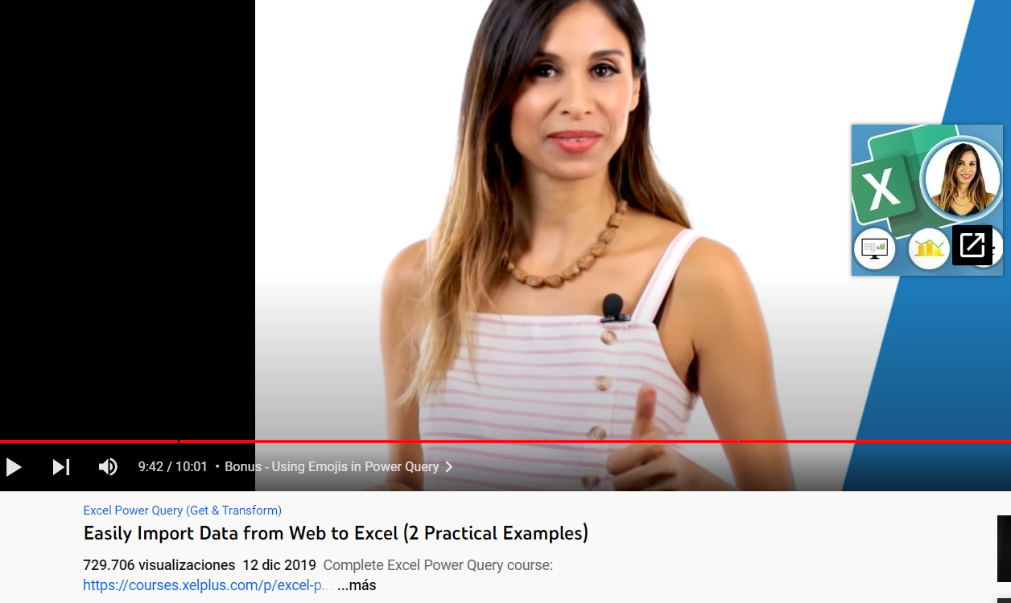
Hang Seng | 18877.96 | +280.73 +1.51% | Today 14,597.31Oct 31 202225,050.59Feb 10 2022 | Opens in < 1 min
DAX | 14397.04 | +41.59 +0.29% | Today 11,862.84Sep 28 202216,285.35Jan 05 2022 | Opens in 3 hr 53 min
FTSE 100 | 7573.05 | +61.05 +0.81% | Today 6,707.62Oct 13 20227,687.27Feb 10 2022 | Opens in 3 hr 53 min

